Introduction
HIV test selection tool

Introduction

The HIV Serology Product Selection Tool is designed to assist countries in selecting HIV serology assays based on performance and operational characteristics specifically for the conduct of verification studies, which aim at assessing the level of shared false reactivity among HIV products in order to design the most appropriate combination of products to be used as part of an HIV testing algorithm. Products should be selected based on quality, safety and performance (including operational characteristics) with consideration of products that have been approved by (i.e. comply with requirements of) WHO Prequalification of In Vitro Diagnostics or any of the founding members of Global Harmonization Task Force. The performance characteristics included in this document are coming from the WHO -PQ public reports and operational charracteristics from manufacturers instructions for use (IFU) and WHO-PQ public reports. A verification study is recommended to review national HIV testing algorithms e.g. the WHO-recommended 3-test algorithm and/or testing algorithm using dual HIV/syphilis RDTs in antenatal care settings. Countries may want use HIV testing algorithms with RDTs only or in a combination of EIAs and RDTs depending on the setting.

Contact

Department of Global HIV, Hepatitis and STIs Programmes (HSS)
Unit of Testing, Prevention and Population (TPP)

.
Cheryl Johnson | johnsonc@who.int
Céline Lastrucci | lastruccic@who.int
Busisiwe Msimanga | msimangaradebeb@who.int

Incidents and Substandard/Falsified Medical Products Team
Regulation and Prequalification Department

Anita Sands | sandsa@who.int

Prequalification of In Vitro Diagnostics Programme

Anne-Laure Page | pagea@who.int

Ressources
WHO-PQ public reports: https://extranet.who.int/prequal/vitro-diagnostics/prequalification-reports/whopr

WHO/UCN/HHS/21.03
© World Health Organization 2021. Some rights reserved. This work is available under the |  | CC BY-NC-SA 3.0 IGO licence

1. Updating Testing Strategies
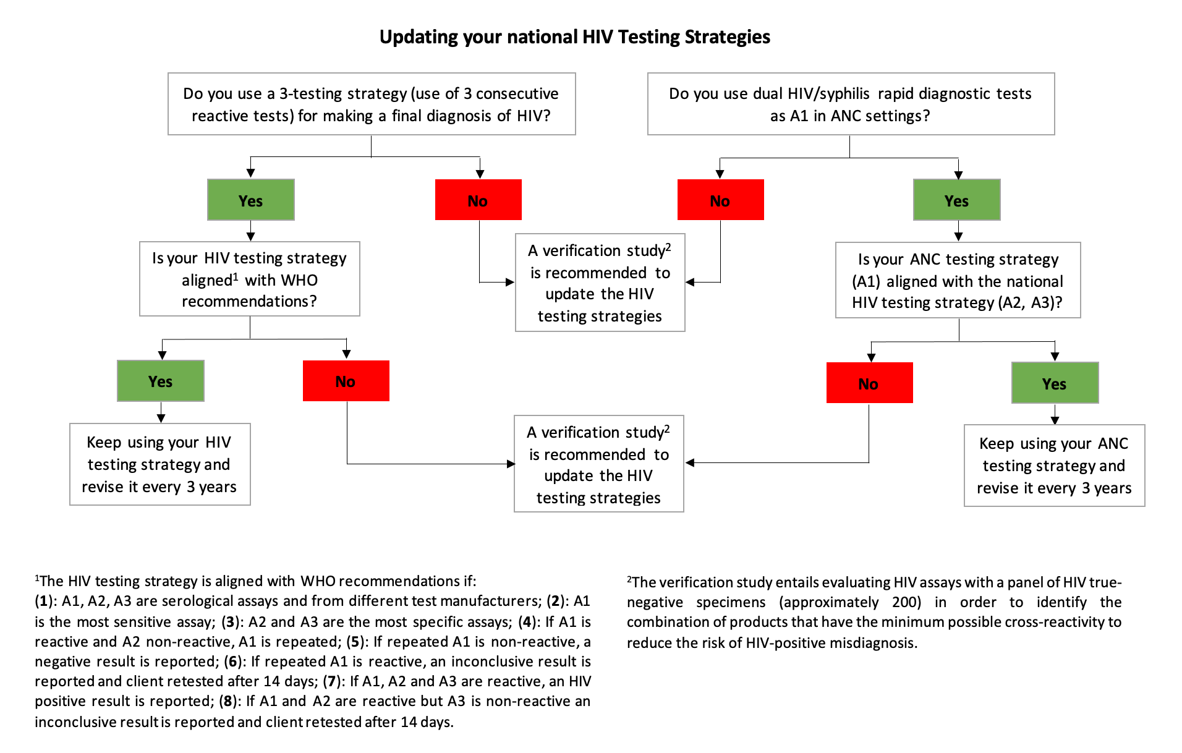
 |  |  |  | YES | NO
 |  |  | Do you need to update the 3-test strategy for the general population?
 |  |  | If yes, will you use only an RDT-based algorithm?
 |  |  | If no, will you use a combined EIA/RDT algorithm?

 |  |  | Do you need to update your ANC HIV testing algorithm for pregnant women?

 |  |  |  | HIV RDT | HIV EIA | HIV/Syphilis RDT
 |  |  | Mark with an X the type of HIV products that need to be selected for the verification study

 |  |  | Proceed to test pre-selection based on performance and operational characteristics

WHO/UCN/HHS/21.03
© World Health Organization 2021. Some rights reserved. This work is available under the licence |  | CC BY-NC-SA 3.0 IGO

WHO/UCN/HHS/21.03
© World Health Organization 2021. Some rights reserved. This work is available under the | CC BY-NC-SA 3.0 IGO licence

